Cordon Map
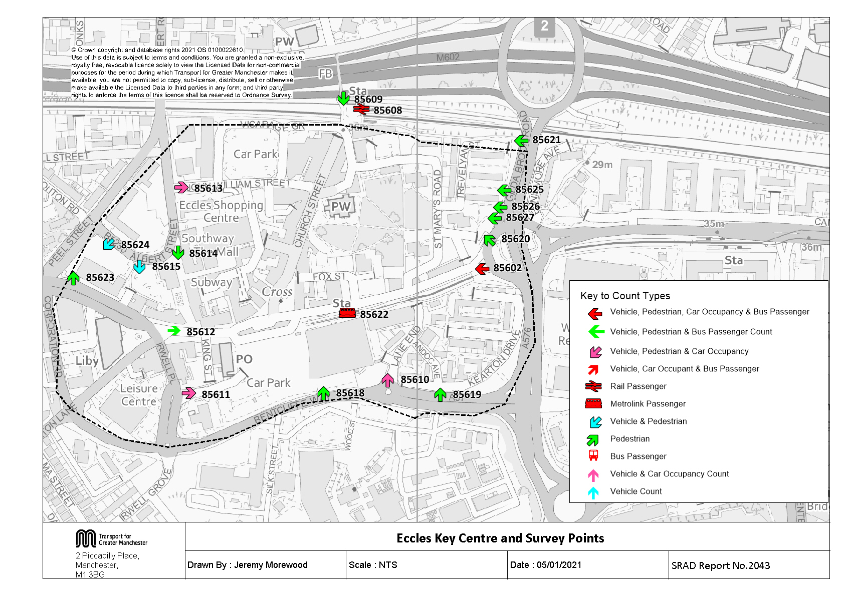

Table 15 KC Traffic Trend
Table 15 Eccles Key Centre Inbound Vehicle Counts 1997, 2001, 2004, 2007 & 2009 to 2020
Time Period | Year | Cars | LGV | OGV | Buses | M/C | P/C | All | Time Period | Year | Cars | LGV | OGV | Buses | M/C | P/C | All
07:30-09:30 | 1997 | 2536 | 331 | 133 | 177 | 32 | 74 | 3283 | 10:00-12:00 | 1997 | 2167 | 225 | 192 | 161 | 16 | 24 | 2785
 | 1998 |  |  |  |  |  |  |  |  | 1998
 | 1999 |  |  |  |  |  |  |  |  | 1999
 | 2000 |  |  |  |  |  |  |  |  | 2000
 | 2001 | 1829 | 253 | 85 | 170 | 15 | 30 | 2382 |  | 2001 | 1609 | 280 | 84 | 214 | 15 | 20 | 2222
 | 2002 |  |  |  |  |  |  |  |  | 2002
 | 2003 |  |  |  |  |  |  |  |  | 2003
 | 2004 | 1315 | 156 | 32 | 126 | 11 | 23 | 1663 |  | 2004 | 1600 | 162 | 34 | 139 | 8 | 19 | 1962
 | 2005 |  |  |  |  |  |  |  |  | 2005
 | 2006 |  |  |  |  |  |  |  |  | 2006
 | 2007 | 1423 | 204 | 33 | 129 | 12 | 41 | 1842 |  | 2007 | 1545 | 210 | 23 | 136 | 11 | 36 | 1961
 | 2008 |  |  |  |  |  |  |  |  | 2008
 | 2009 | 1429 | 197 | 16 | 128 | 7 | 49 | 1826 |  | 2009 | 1512 | 194 | 26 | 139 | 4 | 16 | 1891
 | 2010 | 1301 | 179 | 35 | 125 | 4 | 35 | 1679 |  | 2010 | 1627 | 204 | 19 | 149 | 6 | 19 | 2024
 | 2011 | 1420 | 219 | 39 | 119 | 9 | 41 | 1847 |  | 2011 | 1736 | 185 | 27 | 135 | 1 | 19 | 2103
 | 2012 | 1259 | 149 | 15 | 116 | 3 | 60 | 1602 |  | 2012 | 1569 | 170 | 26 | 124 | 2 | 27 | 1918
 | 2013 | 1383 | 153 | 49 | 107 | 9 | 90 | 1791 |  | 2013 | 1619 | 167 | 24 | 109 | 4 | 40 | 1963
 | 2014 | 1327 | 179 | 24 | 104 | 9 | 58 | 1701 |  | 2014 | 1469 | 162 | 26 | 112 | 3 | 37 | 1809
 | 2015 | 1241 | 175 | 25 | 103 | 12 | 56 | 1612 |  | 2015 | 1506 | 147 | 18 | 110 | 6 | 34 | 1821
 | 2016 | 1402 | 170 | 20 | 98 | 7 | 74 | 1771 |  | 2016 | 1474 | 189 | 26 | 112 | 12 | 31 | 1844
 | 2017 | 1374 | 154 | 47 | 104 | 7 | 73 | 1759 |  | 2017 | 1565 | 135 | 35 | 113 | 1 | 13 | 1862
 | 2018 | 1420 | 155 | 52 | 111 | 3 | 80 | 1821 |  | 2018 | 1602 | 169 | 45 | 114 | 1 | 31 | 1962
 | 2019 | 1507 | 165 | 40 | 101 | 5 | 89 | 1907 |  | 2019 | 1489 | 140 | 38 | 117 | 4 | 32 | 1820
 | 2020 | 1272 | 166 | 48 | 84 | 0 | 39 | 1609 |  | 2020 | 1616 | 154 | 41 | 105 | 3 | 21 | 1940
 | 2020/1997 | 0.50 | 0.50 | 0.36 | 0.47 | 0.00 | 0.53 | 0.49 |  | 2020/1997 | 0.75 | 0.68 | 0.21 | 0.65 | 0.19 | 0.88 | 0.70
Eccles Key Centre Inbound Vehicle Counts
 | 0730-0930 | 1000-1200 | 1600-1800
1997 | 3283 | 2785 | 3064
1998
1999
2000
2001 | 2382 | 2222 | 2309
2002
2003
2004 | 1663 | 1962 | 1963
2005
2006
2007 | 1842 | 1961 | 1675
2008
2009 | 1826 | 1891 | 1695
2010 | 1679 | 2024 | 1699
2011 | 1847 | 2103 | 1827
2012 | 1602 | 1918 | 1687
2013 | 1791 | 1963 | 1647
2014 | 1701 | 1809 | 1715
2015 | 1612 | 1821 | 1556
2016 | 1771 | 1844 | 1585
2017 | 1759 | 1862 | 1754
2018 | 1821 | 1962 | 1780
2019 | 1907 | 1820 | 1816
2020 | 1609 | 1940 | 1725
16:00-18:00 | 1997 | 2410 | 255 | 94 | 187 | 30 | 88 | 3064
 | 1998
 | 1999
 | 2000
 | 2001 | 1730 | 195 | 49 | 234 | 62 | 39 | 2309
 | 2002
 | 2003
 | 2004 | 1634 | 158 | 11 | 123 | 19 | 18 | 1963
 | 2005
 | 2006
 | 2007 | 1324 | 143 | 8 | 147 | 12 | 41 | 1675
 | 2008
 | 2009 | 1377 | 112 | 11 | 136 | 6 | 53 | 1695
 | 2010 | 1352 | 128 | 12 | 148 | 3 | 56 | 1699
 | 2011 | 1473 | 144 | 15 | 132 | 7 | 56 | 1827
 | 2012 | 1344 | 117 | 10 | 127 | 4 | 85 | 1687
 | 2013 | 1302 | 113 | 23 | 109 | 6 | 94 | 1647
 | 2014 | 1405 | 113 | 15 | 109 | 8 | 65 | 1715
 | 2015 | 1218 | 121 | 15 | 103 | 13 | 86 | 1556
 | 2016 | 1248 | 132 | 11 | 100 | 10 | 84 | 1585
 | 2017 | 1421 | 122 | 10 | 97 | 11 | 93 | 1754
 | 2018 | 1461 | 115 | 12 | 98 | 1 | 93 | 1780
 | 2019 | 1448 | 115 | 14 | 99 | 4 | 136 | 1816
 | 2020 | 1406 | 115 | 13 | 92 | 3 | 96 | 1725
 | 2020/1997 | 0.58 | 0.45 | 0.14 | 0.49 | 0.10 | 1.09 | 0.56

Note: The completion of the Eccles Bypass in November 2000 affected the level of traffic crossing the cordon.

Table 21 KC Car&Non-carTrips
Car and Non-Car Trips into Eccles Key Centre 07:30-09:30
 | Car | Bus | Rail | Metrolink | Cycle | Walk
2001 | 2490 | 706 | 23 | 54 | 30 | 855
2002
2003
2004 | 1687 | 900 | 46 | 88 | 23 | 855
2005
2006
2007 | 1779 | 1201 | 37 | 172 | 41 | 975
2008
2009 | 1815 | 983 | 55 | 115 | 49 | 990
2010 | 1639 | 876 | 52 | 110 | 35 | 1059
2011 | 1761 | 1153 | 68 | 131 | 41 | 1047
2012 | 1599 | 863 | 70 | 124 | 60 | 1091
2013 | 1770 | 738 | 83 | 78 | 90 | 1017
2014 | 1712 | 1123 | 108 | 88 | 58 | 971
2015 | 1568 | 1042 | 77 | 106 | 56 | 929
2016 | 1712 | 652 | 102 | 105 | 74 | 1131
2017 | 1730 | 1028 | 100 | 205 | 73 | 961
2018 | 1754 | 1086 | 93 | 112 | 80 | 1061
2019 | 1948 | 850 | 79 | 159 | 89 | 1241
2020 | 1604 | 609 | 81 | 130 | 39 | 891
Table 21 Car and Non-Car Trips into Eccles Key Centre
Time Period | Year | Car | Bus | Rail | Metrolink | Cycle | Walk | Total | % Car | % Non-Car
07:30-09:30 | 2001 | 2490 | 706 | 23 | 54 | 30 | 855 | 4158 | 60 | 40
 | 2002
 | 2003
 | 2004 | 1687 | 900 | 46 | 88 | 23 | 855 | 3599 | 47 | 53
 | 2005
 | 2006
 | 2007 | 1779 | 1201 | 37 | 172 | 41 | 975 | 4205 | 42 | 58
 | 2008
 | 2009 | 1815 | 983 | 55 | 115 | 49 | 990 | 4007 | 45 | 55
 | 2010 | 1639 | 876 | 52 | 110 | 35 | 1059 | 3771 | 43 | 57
 | 2011 | 1761 | 1153 | 68 | 131 | 41 | 1047 | 4201 | 42 | 58
 | 2012 | 1599 | 863 | 70 | 124 | 60 | 1091 | 3807 | 42 | 58
 | 2013 | 1770 | 738 | 83 | 78 | 90 | 1017 | 3776 | 47 | 53
 | 2014 | 1712 | 1123 | 108 | 88 | 58 | 971 | 4060 | 42 | 58
 | 2015 | 1568 | 1042 | 77 | 106 | 56 | 929 | 3778 | 42 | 58
 | 2016 | 1712 | 652 | 102 | 105 | 74 | 1131 | 3776 | 45 | 55
 | 2017 | 1730 | 1028 | 100 | 205 | 73 | 961 | 4097 | 42 | 58
 | 2018 | 1754 | 1086 | 93 | 112 | 80 | 1061 | 4186 | 42 | 58
 | 2019 | 1948 | 850 | 79 | 159 | 89 | 1241 | 4366 | 45 | 55
 | 2020 | 1604 | 609 | 81 | 130 | 39 | 891 | 3354 | 48 | 52
 | 2020/2001 | 0.64 | 0.86 | 3.52 | 2.41 | 1.30 | 1.04 | 0.81
Car and Non-Car Trips into Eccles Key Centre 10:00-12:00
 | Car | Bus | Rail | Metrolink | Cycle | Walk
2001 | 2362 | 717 | 8 | 73 | 20 | 1826
2002
2003
2004 | 2367 | 333 | 12 | 85 | 19 | 1826
2005
2006
2007 | 2240 | 903 | 6 | 117 | 36 | 1819
2008
2009 | 2102 | 752 | 13 | 124 | 16 | 1849
2010 | 2278 | 1029 | 13 | 105 | 19 | 1822
2011 | 2361 | 1134 | 18 | 163 | 19 | 1744
2012 | 2259 | 1067 | 19 | 120 | 27 | 1688
2013 | 2315 | 955 | 5 | 99 | 40 | 1553
2014 | 2174 | 1054 | 21 | 117 | 37 | 1831
2015 | 2153 | 845 | 11 | 101 | 34 | 1516
2016 | 2071 | 931 | 5 | 126 | 31 | 1571
2017 | 2249 | 1008 | 13 | 170 | 13 | 1176
2018 | 2286 | 1013 | 17 | 111 | 31 | 1353
2019 | 2144 | 793 | 6 | 145 | 32 | 1516
2020 | 2195 | 777 | 18 | 90 | 21 | 1196
10:00-12:00 | 2001 | 2362 | 717 | 8 | 73 | 20 | 1826 | 5006 | 47 | 53
 | 2002
 | 2003
 | 2004 | 2367 | 333 | 12 | 85 | 19 | 1826 | 4642 | 51 | 49
 | 2005
 | 2006
 | 2007 | 2240 | 903 | 6 | 117 | 36 | 1819 | 5121 | 44 | 56
 | 2008
 | 2009 | 2102 | 752 | 13 | 124 | 16 | 1849 | 4855 | 43 | 57
 | 2010 | 2278 | 1029 | 13 | 105 | 19 | 1822 | 5266 | 43 | 57
 | 2011 | 2361 | 1134 | 18 | 163 | 19 | 1744 | 5439 | 43 | 57
 | 2012 | 2259 | 1067 | 19 | 120 | 27 | 1688 | 5180 | 44 | 56
 | 2013 | 2315 | 955 | 5 | 99 | 40 | 1553 | 4967 | 47 | 53
 | 2014 | 2174 | 1054 | 21 | 117 | 37 | 1831 | 5234 | 42 | 58
 | 2015 | 2153 | 845 | 11 | 101 | 34 | 1516 | 4660 | 46 | 54
 | 2016 | 2071 | 931 | 5 | 126 | 31 | 1571 | 4735 | 44 | 56
 | 2017 | 2249 | 1008 | 13 | 170 | 13 | 1176 | 4629 | 49 | 51
 | 2018 | 2286 | 1013 | 17 | 111 | 31 | 1353 | 4811 | 48 | 52
 | 2019 | 2144 | 793 | 6 | 145 | 32 | 1516 | 4636 | 46 | 54
 | 2020 | 2195 | 777 | 18 | 90 | 21 | 1196 | 4298 | 51 | 49
 | 2020/2001 | 0.93 | 1.08 | 2.25 | 1.23 | 1.05 | 0.65 | 0.86
Car and Non-Car Trips into Eccles Key Centre 16:00-18:00
 | Car | Bus | Rail | Metrolink | Cycle | Walk
2001 | 2715 | 570 | 43 | 166 | 39 | 1251
2002
2003
2004 | 2392 | 680 | 54 | 221 | 18 | 1251
2005
2006
2007 | 1893 | 861 | 40 | 306 | 41 | 1301
2008
2009 | 1969 | 996 | 41 | 390 | 53 | 1287
2010 | 1920 | 1176 | 41 | 240 | 56 | 1393
2011 | 1974 | 1417 | 51 | 297 | 56 | 1420
2012 | 1868 | 1194 | 57 | 260 | 85 | 1349
2013 | 1810 | 1016 | 80 | 261 | 94 | 1070
2014 | 1939 | 1114 | 61 | 356 | 65 | 1390
2015 | 1667 | 954 | 21 | 458 | 86 | 965
2016 | 1608 | 803 | 86 | 353 | 84 | 1135
2017 | 1893 | 902 | 75 | 457 | 93 | 1115
2018 | 2044 | 913 | 73 | 370 | 93 | 1246
2019 | 1949 | 933 | 61 | 489 | 136 | 1265
2020 | 1875 | 730 | 89 | 428 | 96 | 1276
16:00-18:00 | 2001 | 2715 | 570 | 43 | 166 | 39 | 1251 | 4784 | 57 | 43
 | 2002
 | 2003
 | 2004 | 2392 | 680 | 54 | 221 | 18 | 1251 | 4616 | 52 | 48
 | 2005
 | 2006
 | 2007 | 1893 | 861 | 40 | 306 | 41 | 1301 | 4442 | 43 | 57
 | 2008
 | 2009 | 1969 | 996 | 41 | 390 | 53 | 1287 | 4736 | 42 | 58
 | 2010 | 1920 | 1176 | 41 | 240 | 56 | 1393 | 4826 | 40 | 60
 | 2011 | 1974 | 1417 | 51 | 297 | 56 | 1420 | 5215 | 38 | 62
 | 2012 | 1868 | 1194 | 57 | 260 | 85 | 1349 | 4813 | 39 | 61
 | 2013 | 1810 | 1016 | 80 | 261 | 94 | 1070 | 4331 | 42 | 58
 | 2014 | 1939 | 1114 | 61 | 356 | 65 | 1390 | 4925 | 39 | 61
 | 2015 | 1667 | 954 | 21 | 458 | 86 | 965 | 4151 | 40 | 60
 | 2016 | 1608 | 803 | 86 | 353 | 84 | 1135 | 4069 | 40 | 60
 | 2017 | 1893 | 902 | 75 | 457 | 93 | 1115 | 4536 | 42 | 58
 | 2018 | 2044 | 913 | 73 | 370 | 93 | 1246 | 4739 | 43 | 57
 | 2019 | 1949 | 933 | 61 | 489 | 136 | 1265 | 4834 | 40 | 60
 | 2020 | 1875 | 730 | 89 | 428 | 96 | 1276 | 4494 | 42 | 58
 | 2020/2001 | 0.69 | 1.28 | 2.07 | 2.58 | 2.46 | 1.02 | 0.94

